Questions
Background
Spring Venture Group (SVG) sells insurance to individuals, and as part of this process, SVG generates leads two ways:
Ads on Facebook/Google/Bing/etc that SVG directly manages
Purchases leads from third-party vendors who do their own advertising but are not interested in selling insurance to these prospects
In both instances above, a lead is still defined the same: a person who has shown interest in purchasing insurance.
Key Terms
Lead = An individual’s information (phone, name) SVG has purchased with the intent of selling an insurance product to
Marketing Spend = The amount of money SVG spends on advertising to acquire leads (through both means outlined above)
Policies = Insurance contracts sold by SVG to customers
LTV = Long Term Value (the expected revenue that will be generated over the life of a policy)
CPA = Cost per Acquisition (sum total marketing spend / sum total policies)
EV = Expected Value (sum LTV - sum total marketing spend)
Close Rate = sum Policies / sum leads
Source = The marketing channel that SVG acquired the prospect’s information from (e.g. SVG Adwords, SVG Bing, Marketing Company ABC)
*Important note: EV is the business metric SVG optimized for. Although CPA is important, EV is the most relevant metric as it takes into account both revenue and their largest per unit expense (CPA).
Questions
1. Which day in November had the HIGHEST EV?
Why? CPA low? Average LTV per policy high? Both?
2. Which day in November had the LOWEST EV?
Why? Was the CPA high? Was the Average LTV per policy low? Was it Both the CPA and LTV?
3. What state has the highest CPAs? What state has the lowest CPA?
4. What state has the highest LTV per policy? What state has the lowest LTV per policy?
5. How would you change how SVG spends their marketing dollars to optimize EV? Shift marketing spend to different days of the week? Allocate more spend towards better performing sources/states?
Please answer the questions on the "Answers" tab. Keep in mind that the purpose of this project is to see how you solve problems and present your data. Leave your equations, side work, charts etc... so we can see how you arrived at your answers.
a

Answers
 |  | postal_code | FL

 |  | Row Labels | Sum of closure rate
 |  | Mon | 0.2
 |  | Tue | 0.16666666667
 |  | Wed | 0.18918918919
 |  | Thu | 0.15384615385
 |  | Fri | 0.29090909091
 |  | Sat | 0.13636363636
 |  | Sun | 0.37735849057
 |  | Grand Total | 0.2158808933

ANSWER 1
20th Nov saw the highest EV as Total CPA was quite low (high closure rate as well) while avg LTV was second highest

ANSWER 2
1st Nov saw the lowest EV as total CPA was highest (low closure rate as well) while avg LTV was low

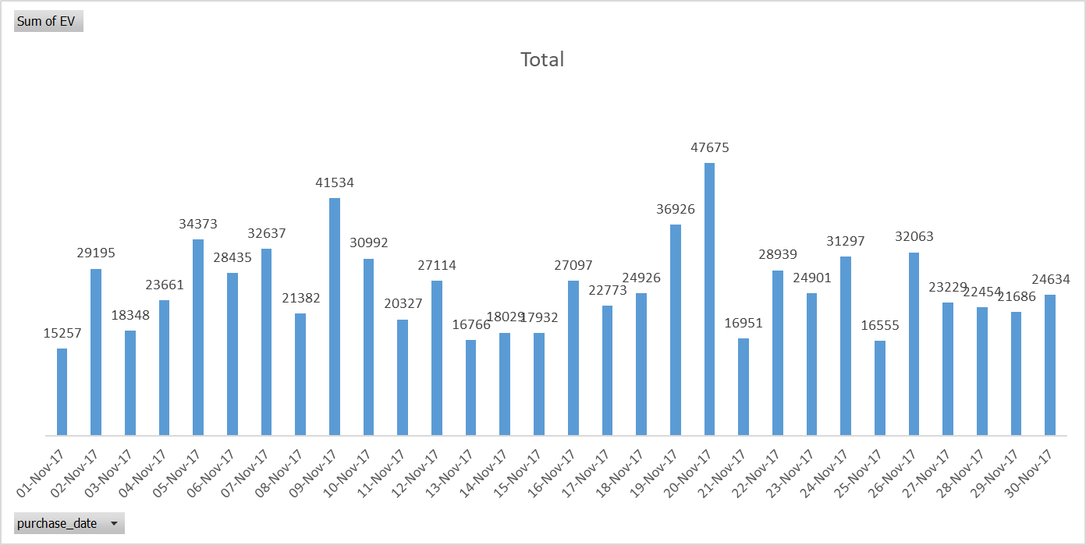

ANSWER 3
Florida has the highest CPA while california has the lowest

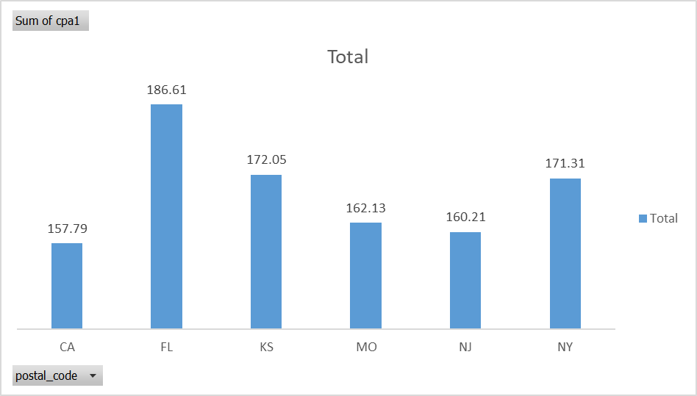

ANSWER 4
Kansas has the highest avg LTV while New Jersey has the lowest

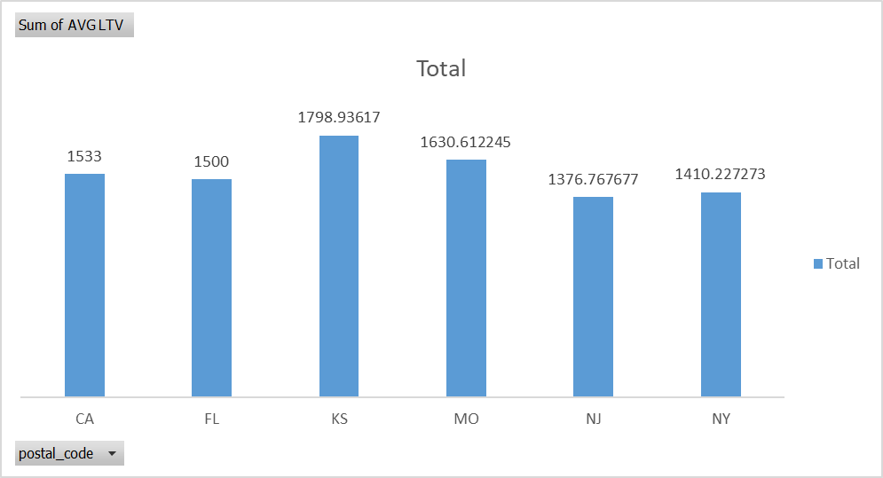

ANSWER 5
There are 3 observations here: 1. Sunday and Monday experienced highest Closure rate and Hence SVG can focus more on these days of the week . Also, (Refer Fig 5.4) 19th, 20th and 26th November have highest Closure rate which is above 0.3. This can be due to several reasons(Long Weekend, Thanksgiving, some business strategy etc). 2. Certain policies are Underperforming, i.e. they have a high CPA and low LTV while few are performing well and have low or avergae CPA but very high LTV. (Refer fig 5.2) Policy by HPEXMF4 vendor is having ~235 CPA and ~1300 LTV(highlighted using dark red strip).We can divert the funds from underperforming policies to high performing ones like LFMSEXMS 5 3. (Refer fig.5.1) We can see SVG group is doing well in Kansas city in terms of EV, and New Jersey has shown highest Closure rate. Hence SVG was able to convert the leads most successfully in NJ.

 |  |  |  | Fig 5.1

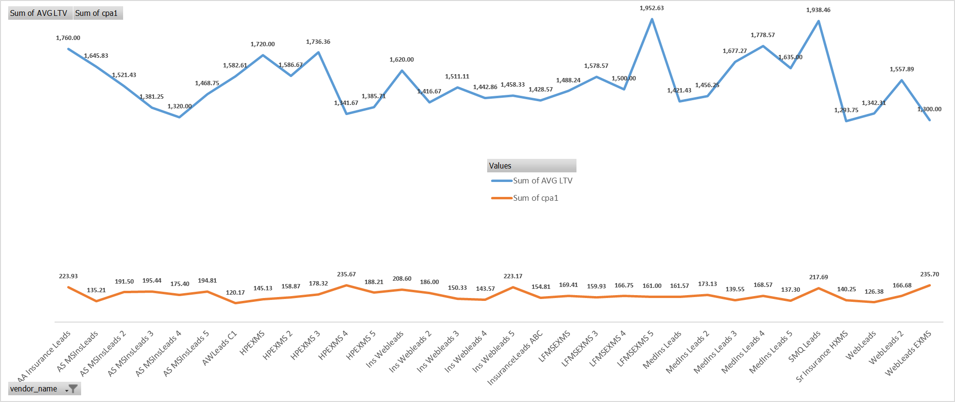

 | Fig 5.2

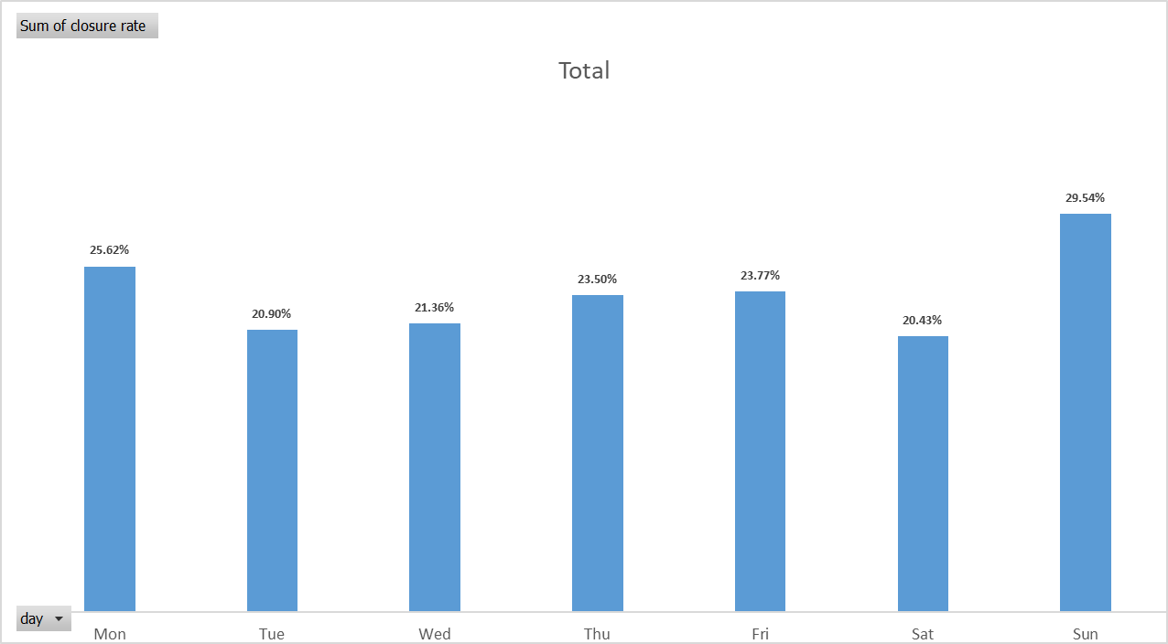

 | Fig 5.3
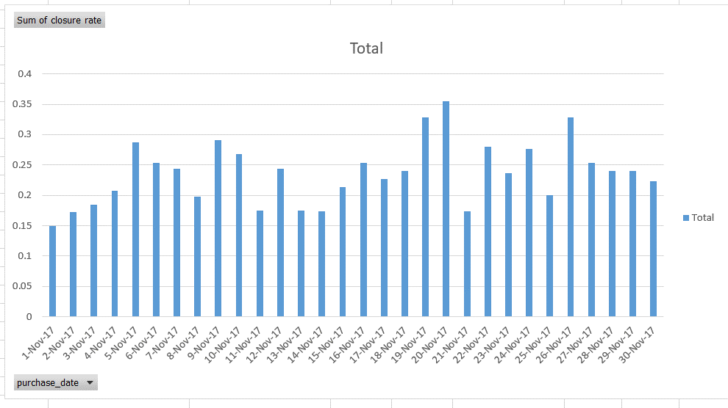

 | Fig 5.4

